Sheet1
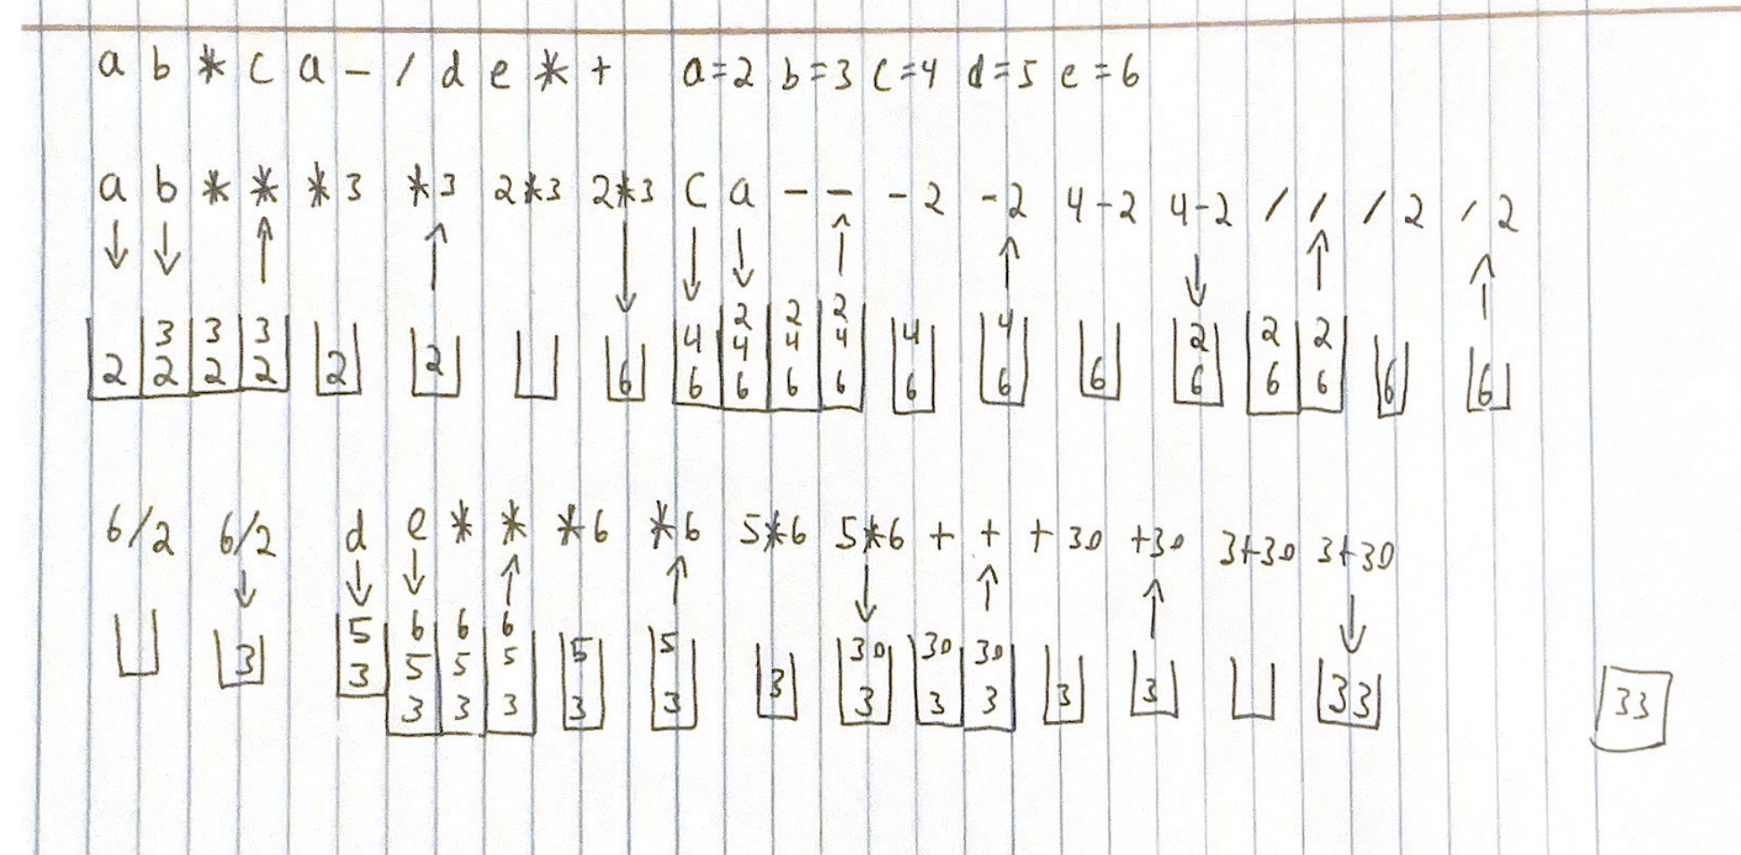
 | Github Link: https://github.com/JonathanPena17/Project2_CS2400.git |  |  | TASK 4 | ab*ca-/de*+
 |  |  |  |  | a=2, b=3, c=4, d=5, e=6
TASK 1 | a*b/(c-a)+d*e

 | Next Character from Infix Expression | Postfix Form | Operator Stack (Botton to top)
 | a | a
 | * | a | *
 | b | ab | *
 | / | ab* | /
 | ( | ab* | / (
 | c | ab*c | / (
 | - | ab*c | / ( -
 | a | ab*ca | / ( -
 | ) | ab*ca- | /
 | + | ab*ca-/ | +
 | d | ab*ca-/d | +
 | * | ab*ca-/d | + *
 | e | ab*ca-/de | + *
 |  | ab*ca-/de*+

